PHOTOS by Countries
Members of the VAT Club

AUSTRIA
 | Johann Mlcoch
 | Schellmann & Partner
 | Steuerberatungsgesellschaft mbH

 | Contact:
 | Bahnhofplatz 1A/1/3, A-2340 Mödling | T +43 2236 24540-0
 | www.schellmann.at | jmlcoch@schellmann.at

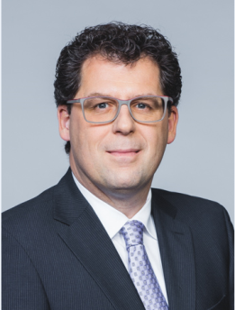
AUSTRIA
 | Thomas Mollik
 | Schellmann & Partner
 | Steuerberatungsgesellschaft mbH

 | Contact: | T +43 (2236) 24540-0
 | Bahnhofplatz 1A/1/3, A-2340 Mödling | M +43 676 843 635 380
 | www.schellmann.at | tmollik@schellmann.at

BELGIUM

 | Thierry Charon
 | LOYENS & LOEFF

 | Contact: | T +32 (0)2 743 43 55
 | Woluwe Atrium, Neerveldstraat 101-103, B-1200 BRUSSELS | F +32 (0)2 773 23 61
 | www.loyensloeff.com | thierry.charon@loyensloeff.com

BELGIUM

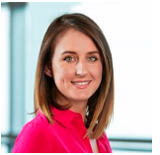
 | Hélène Bourleau
 | LOYENS & LOEFF

 | Contact: | T +32 (0)2 773 23 83
 | Woluwe Atrium, Neerveldstraat 101-103, B-1200 BRUSSELS | F +32 (0)2 773 23 61
 | www.loyensloeff.com | helene.bourleau@loyensloeff.com

CYPRUS

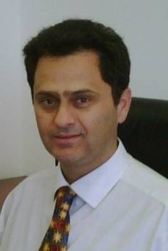
 | Marios Hadjihannas
 | HLB Cyprus

 | Contact: | M +357 99468668
 | Palaceview House, Corner of Prodromos Street & Zinonos Kitieos, CY-2064 Nicosia, PO Box 16006, CY-2085 Nicosia | T +357 2200 2700 / F +357 2200 2800
 | www.hlb.com.cy | mhadjihannas@hlb.com.cy

CZECH REPUBLIC
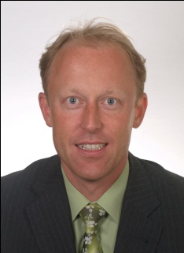
 | Josef Faic
 | HLB PROXY
 |  | T +420 296 332 411
 | Contact: | M +420 602 293 172
 | Plzeňská 3217/16, 150 00 Praha 5 | F +420 296 332 490
 | www.proxy.cz | faic.josef@proxy.cz

CZECH REPUBLIC
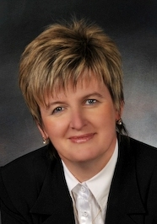
 | Ditta Hlaváčková
 | HLB PROXY
 |  | T +420 386 100 011
 | Contact: | M +420 602 696 610
 | Náměstí Přemysla Otakara II. 123/36, 370 01 České Budějovice | F +420 386 100 022
 | www.proxy.cz | hlavackova.ditta@proxy.cz

DENMARK

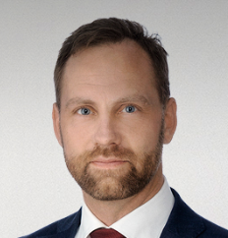
 | Tom Kári Kristjánsson
 | Plesner

 | Contact: | M +45 29 99 30 45
 | Amerika Plads 37, DK-2100 København Ø | T +45 36 94 11 59
 | www.plesner.com | tkk@plesner.com

DENMARK
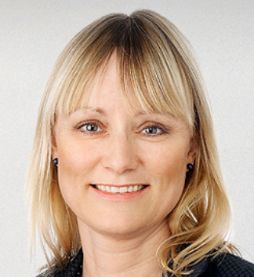
 | Mette Christina Juul
 | Plesner

 | Contact: | T + 45 29 99 30 38
 | Amerika Plads 37, DK-2100 København Ø
 | www.plesner.com | mcj@plesner.com

FRANCE
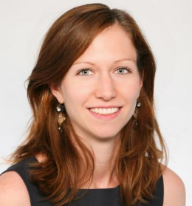
 | Armelie Abadie
 | CMS Bureau Francis Lefebvre

 | Contact:
 | 2 rue Ancelle, 92522 Neuilly-sur-Seine Cedex | T ++33 1 47 38 41 79 / F +33 1 47 38 60 22
 | www.cms-bfl.com | armelle.abadie@cms-fl.com

FRANCE
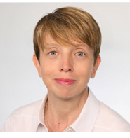
 | Anne Grousset
 | CMS Bureau Francis Lefebvre

 | Contact:
 | 2 rue Ancelle, 92522 Neuilly-sur-Seine Cedex, France | T +33 1 47 38 55 74
 | www.cms-bfl.com | anne.grousset@cms-fl.com

FRANCE

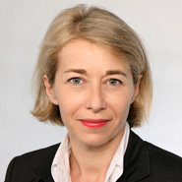
 | Elisabeth Ashworth
 | CMS Bureau Francis Lefebvre

 | Contact:
 | 2 rue Ancelle, 92522 Neuilly-sur-Seine Cedex, France | T +33 1 47 38 55 00
 | www.cms-bfl.com | elisabeth.ashworth@cms-fl.com

FRANCE

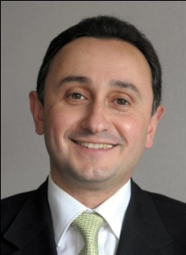
 | Henri Bitar
 | CMS Bureau Francis Lefebvre

 | Contact:
 | 2 rue Ancelle, 92522 Neuilly-sur-Seine Cedex | T +33 1 47 38 55 73 / F +33 1 47 38 60 22
 | www.cms-bfl.com | henri.bitar@cms-fl.com

GERMANY

 | Georg von Wallis
 | Greenberg Traurig Germany LLP
 |  | T +49 (0) 30 700171-162
 | Contact: | M +49 (0) 172 2524282
 | Potsdamer Platz 1, 10785 Berlin | F +49 (0) 30 700171-900
 | www.gtlaw.com | georg.vonwallis@gtlaw.com

GERMANY

 | Helge Jacobs
 | LINKLATERS LLP

 | Contact: | T ++49 89 41808317
 | Prinzregentenplatz 10, 81675 Munich | F +49 (0) 89-41 808 89124
 | www.linklaters.com | helge.jacobs@linklaters.com

GREECE

 | Alex Karopoulos
 | Zepos & Yannopoulos

 | Contact: | T +(30) 210 6967 000
 | 280 Kifissias Ave., 152 32 Halandri, Athens | F +(30) 210 6994 640
 | www.zeya.com | a.karopoulos@zeya.com

HUNGARY
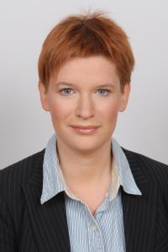
 | Dr Eszter Kálmán
 | CMS Cameron McKenna LLP

 | Contact: | M +36 30 487 7741
 | Ybl Palace, 3rd Floor, Károlyi utca 12, H-1053 Budapest | T +36 1 483 4842
 | www.cms-cmck.com | eszter.kalman@cms-cmck.com

HUNGARY
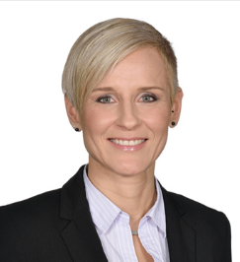
 | Judit Kresz
 | CMS Cameron McKenna Nabarro Olswang LLP Magyarországi Fióktelepe

 | Contact:
 | Ybl Palace, 3rd Floor, Károlyi utca 12, H-1053 Budapest | T +36 1 505 4951
 | www.cms-cmck.com | judit.kresz@cms-cmno.com

IRELAND

 | Sonya Manzor
 | William Fry Tax Advisors
 |  | DD:+353 (01) 639 5212
 | Contact: | T: +353 (01) 639 5000
 | 2 Grand Canal Square, Dublin 2, D02 A342, Ireland | M: +353 (087) 799 7387
 | www.williamfry.com | sonya.manzor@williamfry.com

ITALY

 | Andrea Parolini
 | Maisto e Associati
 |  | T +39.02.776931
 | Contact: | F +39.02.77693300
 | Piazza F.Meda 5, 20121 Milan | M +39.348.8055475
 | www.maisto.it | a.parolini@maisto.it

LATVIA

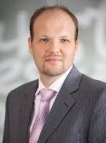
 | Jānis Taukačs
 | Sorainen

 |  | M +371 29 139 300
 | Contact: | T +371 67 365 000
 | Kr. Valdemara iela 21, LV-1010 Riga | F +371 67 365 001
 | www.sorainen.com | janis.taukacs@sorainen.com

LUXEMBOURG

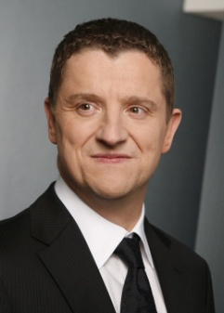
 | Erwan Loquet
 | BDO Tax & Accounting, Société Anonyme

 | Contact: | T/Direct +352 45 123 436 F +352 45 123 203
 | Batiment BDO Air ZA de la Cloche d'Or 1 rue Jean Piret L-2350 Luxembourg | M +352 621 165 368
 | www.bdo.lu | erwan.loquet@bdo.lu

NETHERLANDS

 | Michael van de Leur
 | Lenos c.s. VAT & Customs Lawyers

 | Contact: | T +31.70.4133413
 | Nieuwe Uitleg 21, 2514 BR THE HAGUE, The Netherlands | M + 06 53 70 63 50
 | www.lenos-vat.com | vandeleur@lenos-vat.com

NETHERLANDS
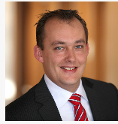
 | Patrick Vettenburg
 | Loyens & Loeff

 | Contact: | T +31 10 224 66 51
 | Blaak 31, 3011 GA Rotterdam | F +31 10 224 63 64
 | www.loyensloeff.com | M +31 6 13 06 82 79
 |  | patrick.vettenburg@loyensloeff.com

NETHERLANDS

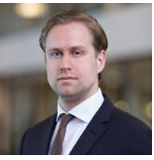
 | Thomas Warnaar
 | Loyens & Loeff

 | Contact: | T: +31 10 224 62 12 / M: +31 62 283 38 05
 | Blaak 31, 3011 GA Rotterdam
 | www.loyensloeff.com | Thomas.Warnaar@loyensloeff.com

NORWAY
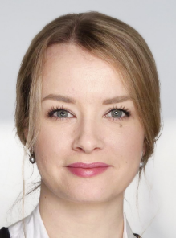
 | Charlotte Holmedal Gjelstad
 | Braekhus

 | Contact: | T +47 23 23 90 90
 | PO Box 1369 Vika, 0114 Oslo
 | www.braekhus.no | gjelstad@braekhus.no

NORWAY
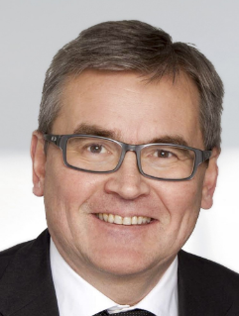
 | Nils Eriksen
 | Braekhus

 | Contact: | T +47 23 23 90 90
 | PO Box 1369 Vika, 0114 Oslo
 | www.braekhus.no | eriksen@braekhus.no

POLAND

 | Piotr Andrzejak
 | Sołtysiński Kawecki & Szlęzak

 | Contact:
 | ul. Jasna 26, 00-054 Warszawa | T + (48-22) 608-7365 M: +48 660 617 037
 | www.skslegal.pl | piotr.andrzejak@skslegal.pl

PORTUGAL
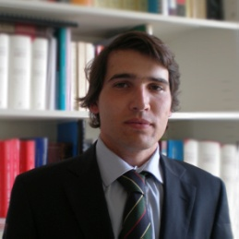
 | José Franco Caiado
 | José Franco Caiado & Associados

 | Contact: | T +351 21 324 17 50
 | Rua da Emenda 69, 1200-169 Lisboa | F +351 21 324 17 51
 |  | jafc@jfclaw.com

ROMANIA


 | Raluca Tutu
 | Mirus Consultanta Fiscala SRL

 | Contact: | T +40 31 405 10 17
 | 26 Biharia Street, 4th Floor, 013981 Bucharest | F +40 31 405 10 18
 | mirus-group.eu | traluca@mirus-group.eu

SWITZERLAND

 | Nicole Fragnière Meyer
 | Gillioz Dorsaz & Associés

 | Contact:
 | 11, rue du Général-Dufour - 1204 Geneva | T +41 22 702 19 00 / F +41 22 702 19 10
 | www.gdlaw.com | nfragniere@gdlaw.com

SWITZERLAND

 | Pierre Gillioz
 | Gillioz Dorsaz & Associés

 | Contact:
 | 11, rue du Général-Dufour - 1204 Geneva | T +41 22 702 19 00 / F +41 22 702 19 10
 | www.gdlaw.com | pgillioz@gdlaw.com

SLOVAKIA

 | Martin Šiagi
 | MANDAT CONSULTING, k.s.
 | MANDAT AUDIT, s.r.o.
 |  | T +421 2 571042-14
 | Contact: | M +421 915 760184
 | Námestie SNP 15, SK-81101 Bratislava | F +421 2 571042-99
 | www.mandat.sk | martin.siagi@mandat.sk

SPAIN
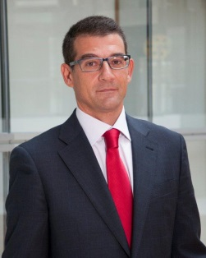
 | Carlos Gómez Barrero
 | J&A GARRIGUES, S.L.P

 | Contact: | T +34 91 514 52 00
 | Hermosilla, 3. - 28001 Madrid | F +34 91 399 24 08
 | www.garrigues.com | carlos.gomez.barrero@garrigues.com

SWEDEN

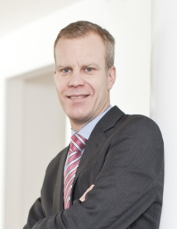
 | Mattias Fri
 | SVALNER
 | SKATT & TRANSAKTION
 |  | M +46 70 431 26 37
 | Contact: | T/Direct +46 8 528 01 250 / 267
 | Smålandsgatan 16, SE-111 46 Stockholm | F +46 8 528 01 260
 | www.svalner.se | mattias.fri@svalner.se

SWEDEN
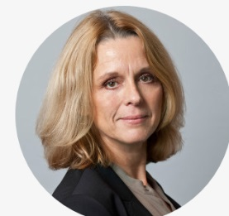
 | Ulrika Grefberg
 | SVALNER
 | SKATT & TRANSAKTION
 |  | M +46 76 899 69 10
 | Contact: | T/Direct +46 8 528 01 275
 | Smålandsgatan 16, SE-111 46 Stockholm | F +46 8 528 01 260
 | www.svalner.se | ulrika.grefberg@svalner.se

FINLAND
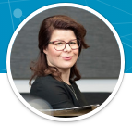
 | Piia Ahonen
 | HANNES SNELLMAN ATTORNEYS LTD.

 | Contact: | T/Direct +358 9 2288 4286
 | Eteläesplanadi 20 | P.O. Box 333 FI-00131 Helsinki, Finland
 | www.hannessnellman.com | piia.ahonen@hannessnellman.com

